1 - quantity_age
First Registrations of used Passenger Cars in Poland, 2025 - 2026 PZPM based on data from Centralna Ewidencja Pojazdow

 | Jan | Feb | Mar | Apr | May | Jun | Jul | Aug | Sep | Oct | Nov | Dec | Total
2025 | 69,287 | 69,649 | 77,652 | 79,122 | 72,653 | 69,240 | 78,330 | 66,914 | 73,773 | 77,057 | 59,809 | 64,074 | 857,560
2026 | 57,747 | 62,265 | 76,448 |  |  |  |  |  |  |  |  |  | 196,460
%change y/y | -16.7% | -10.6% | -1.6% |  |  |  |  |  |  |  |  |  | -9.3%
First Registrations of Used PC in Poland 2025 - 2026
 | 2025 | 2026
Jan | 69287 | 57747
Feb | 69649 | 62265
Mar | 77652 | 76448
Apr | 79122
May | 72653
Jun | 69240
Jul | 78330
Aug | 66914
Sep | 73773
Oct | 77057
Nov | 59809
Dec | 64074
 |  |  |  |  |  |  |  |  | Age Structure Jan-Mar 2026
 |  |  |  |  |  |  |  |  |  | Number of vehicles | Share %
 |  |  |  |  |  |  |  |  | <=4 years | 19,047 | 9.7%
 |  |  |  |  |  |  |  |  | >4 years & <=10 years | 65,631 | 33.4%
 |  |  |  |  |  |  |  |  | >10 years | 111,782 | 56.9%
 |  |  |  |  |  |  |  |  | Total | 196,460 | 100.0%
First Registrations of Used Vehicles in year 2026 - age structure

source: PZPM based on CEP

2 - EURO_fuel

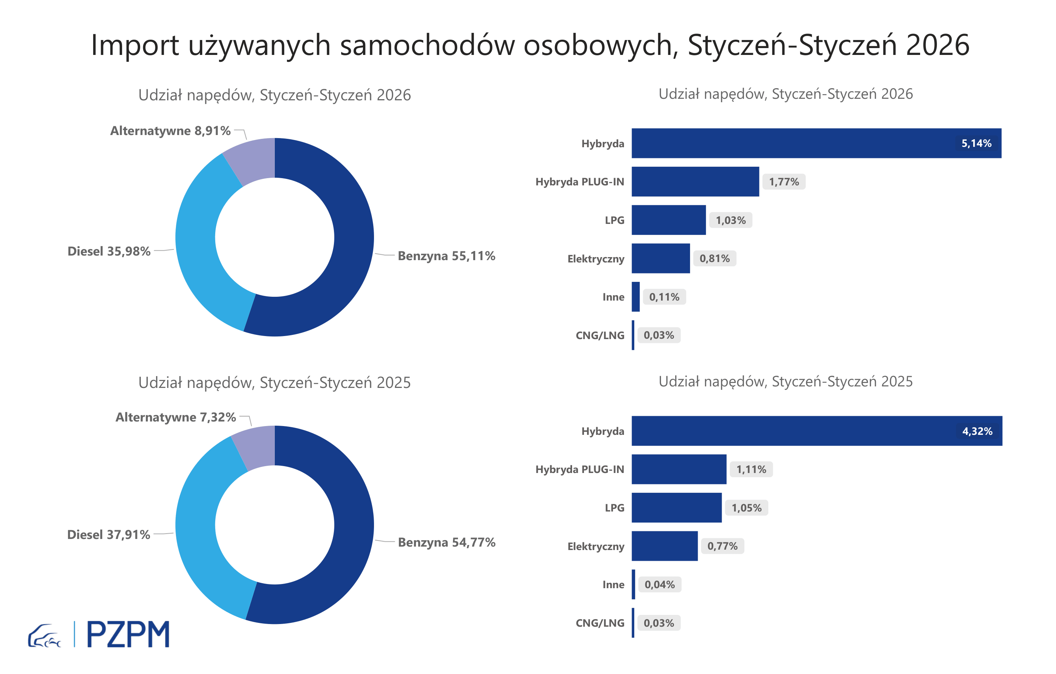


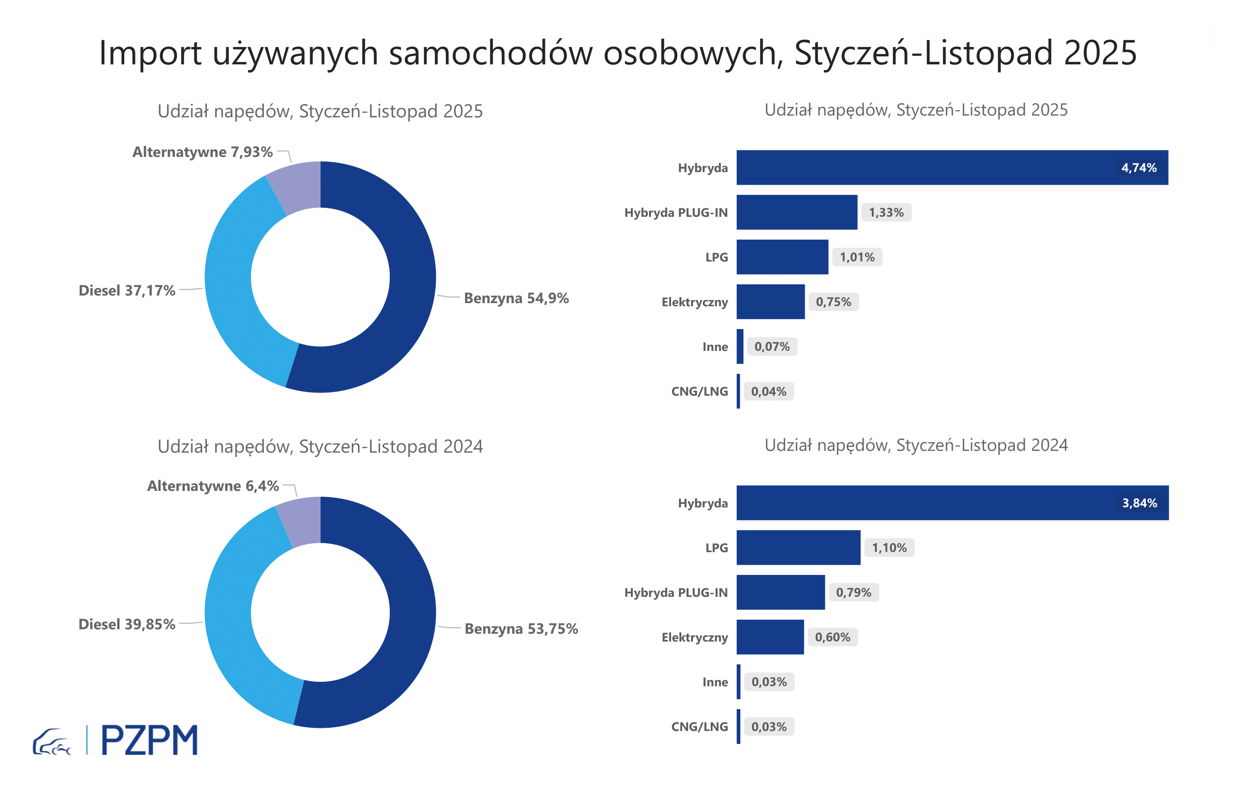

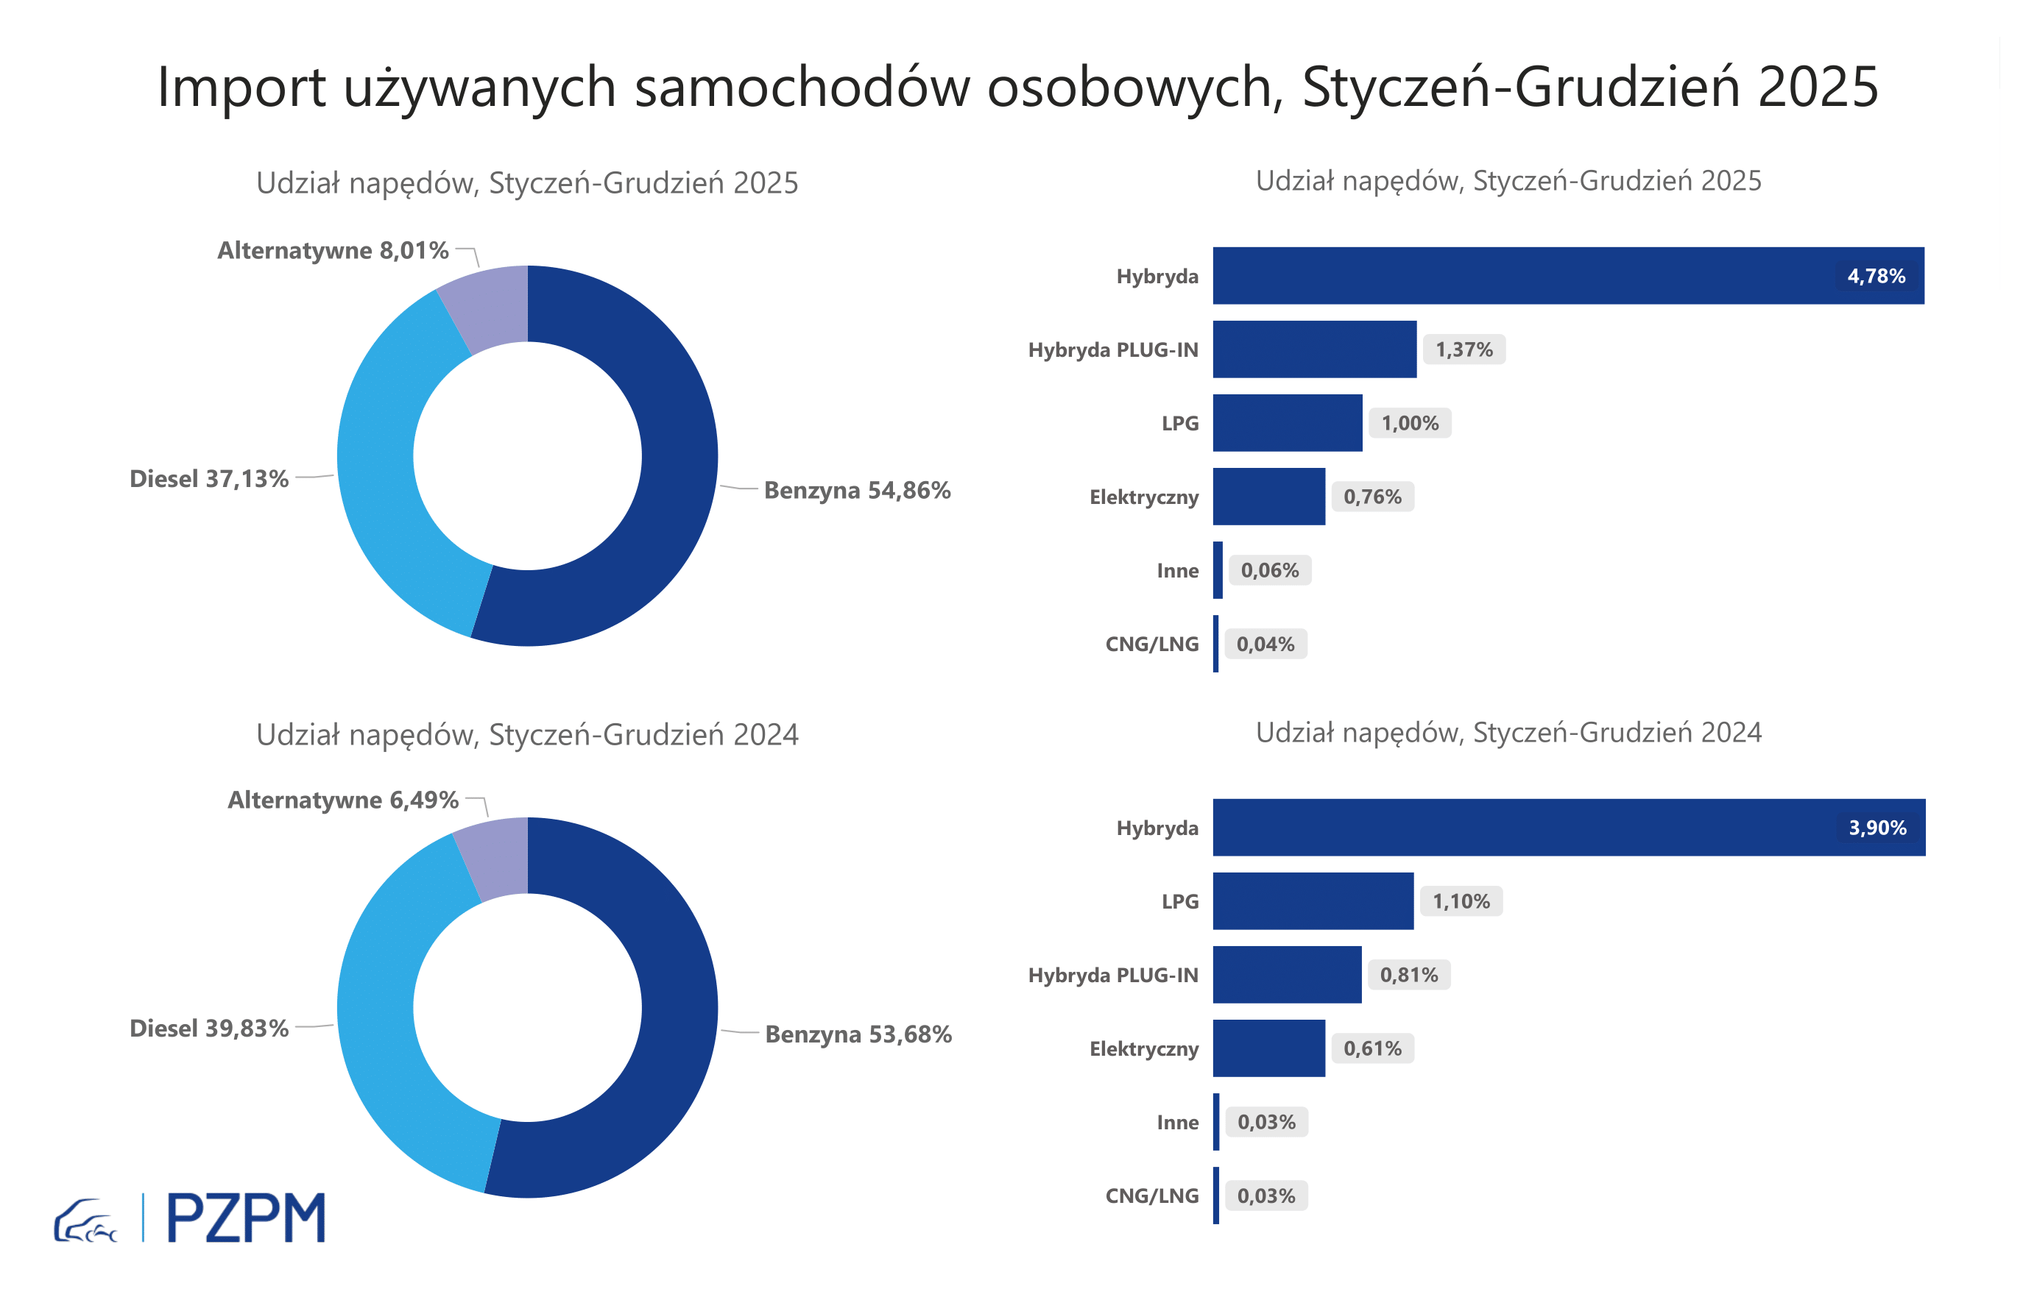
First Registrations of Used Passenger Cars by Fuel Type
Fuel Type | January-March 2025 |  | January-March 2026 |  | Volume Change y/y | Market Share Change y/y
 | thousand units | share % | thousand units | share %
Petrol | 118,1 | 54.5% | 109,6 | 55.8% | -7.2% | +1,2 pp
Diesel | 82,1 | 37.9% | 68,5 | 34.9% | -16.6% | -3,1 pp
AFV / Others | 16,3 | 7.5% | 18,4 | 9.4% | 12.6% | +1,8 pp
including:
Electric | 1.6 | 0.7% | 1.9 | 1.0% | 19.1% | +0,2 pp
Hybrid | 9.8 | 4.5% | 10.8 | 5.5% | 9.4% | +0,9 pp
Hybrid Plug-In | 2.5 | 1.1% | 3.5 | 1.8% | 39.6% | +0,6 pp
LPG | 2.2 | 1.0% | 2.0 | 1.0% | -10.8% | +0,0 pp
CNG/LNG | 0.1 | 0.0% | 0.1 | 0.0% | -22.2% | +0,0 pp
Others / N.A. | 0.1 | 0.0% | 0.2 | 0.1% | 104.1% | +0,1 pp

3 - TOP_brands
First registrations - used passenger cars imported to Poland - TOP 10 in 2026
First registrations of used passenger cars in Poland*
No.** | Make | January-March 2025 | January-March 2026 | Change % r/r
1 | TOYOTA | 24,243 | 23,558 | -2.8%
2 | SKODA | 13,615 | 16,279 | 19.6%
3 | VOLKSWAGEN | 10,531 | 10,851 | 3.0%
4 | BMW | 6,686 | 8,086 | 20.9%
5 | AUDI | 7,896 | 7,653 | -3.1%
6 | KIA | 8,227 | 6,897 | -16.2%
7 | MERCEDES-BENZ | 6,371 | 6,485 | 1.8%
8 | HYUNDAI | 7,646 | 5,981 | -21.8%
9 | VOLVO | 5,020 | 5,598 | 11.5%
10 | DACIA | 4,771 | 5,020 | 5.2%
* source: PZPM based on CEP
** based on registrations in 2026

